1. Title Page
[Instacart Grocery Basket Analysis]

Project Name: Instacart Grocery Basket Analysis
Date: 01.07.2024
Analyst Name: Sreelakshmi Sreekala Devi

Contents:
Population Flow
Consistency checks
Wrangling steps
Column derivations
Visualizations
Recommendations

2. Population Flow
Title page

Population flow

Exclusion flag
Condition: max_order < 5
Obervations to be removed: 1440300
Final total count of order_products_all: 30964564

Orders_products_combined
Orders_products_merged
Orders_products_all

Total:
32434489
Total: 32404859
Total: 30964564

1.) The grey boxes in the first row of the population flow represent the original data sets as they were when you downloaded them. In the Total fields you need to add the count of the rows when you imported the data set into Jupyter.
2.) The second row of boxes (coloured) represents the data sets after you manipulated them, e.g., removed missing values and duplicates. In the Total fields you need to add the count of the rows after conducting these operations. This offers a visual oveview of how the data flows throughout the data consistency checks.
3.) The third row, where also the arrows are coloured, represents the merges you performed between the datasets. In the Total fields you need to add the count of the rows in the merged datasets, so that you end up with the final dataset (in the red box). Keep in mind the final dataset should be without exclusions (based on the exclusion flag).

3. Consistency checks
 |  |  |  | Title page
Consistency checks

Dataset | Missing values | Missing values treatment | Duplicates
orders | 206209 missing values in the column 'days_since_prior_order' | Imputed the median value 7 to the missing values in the column days_since_prior_order | No duplicates
products | 16 missing values in the column 'product_name' | Removed all the records with missing values by moving these records to a different dataframe. | 5 records with duplicate values found. Used drop_duplicates() function to delete all duplicate values from the dataframe.
orders_products_prior | None | None | None
customers | 3. The column 'first_name' has 11259 missing values. | Here only 5% of the dataframe contains missing values in the column first_name. It is better to leave the nulls as it is than deleting all the records with first_name with null values, as they don't affect the analysis. | None

4. Wrangling steps
 |  |  |  | Title page
Wrangling steps

Columns dropped | Columns renamed | Columns' type changed | Comment/Reason
'eval_set' |  |  | Not required for analysis - orders
'date_joined' |  |  | Not required for analysis - customers
 | First Name' - 'first_name' 'Surnam' : 'surname' 'Gender' : 'gender' 'STATE' : 'state' 'Age' : 'age' 'fam_status' : 'family_status' |  | Renamed column names for consistency from customers

 |  | order_id | changed to string
 |  | user_id | changed to string
first_name |  |  | PII info
surname |  |  | PII info

5. Column derivations
 |  |  |  | Title page

Column derivations and aggregations

In this tab you should add tables below that the frequences of flags/label variables that you produced after deriving them. NB: don't do this for continuous variables, only for flags.
Dataset | New column | Column/s it was derived from | Conditions
ords_prods_merge.pkl | price_range_loc | prices | If price <=5, then low-range product. If else price > 5 and <=15, then mid-range product. If else price >15, then high-range product.
 | busiest_days | order_days_of_week | If day 0 or 1 then busiest days. If day 4 or 3 then slowest days. If else, then regularly busy days.
 | busiest_period_of_day | order_hour_of_day | If value in [10, 11, 14, 15, 13, 12, 16, 9]: "Most orders" If value in [23, 6, 0, 1, 5, 2, 4, 3]: "Fewest orders" else: "Average orders"
orders_products_merged_derived.pkl | max_order | user_id, order_number | Maximum numbers of orders
 | loyalty_flag | max_order | If max_order > 40 then loyal customer. If max order <=40 and >10 then regular customer. If max order <=10 then new customer.
 | average_spend | user_id, prices | Average prices of products ordered by user.
 | spending_flag | average_spend | If average_spend < 10 then low spender. If average_spend >= 10 then high spender.
 | day_prior_order_median | user_id, days_since_prior_order | Median of days_since_prior_orders
 | order_frequency_flag | day_prior_order_median | If median_days_since_prior_order >20, then non-frequent customer. If median_days_since_ prior_order <=20 and >10, then regular customer. If median_days_since_prior_order <=10 then frequent customer.
orders_products_customer_combined.pkl | region | state | Northeast=['Maine','New Hampshire','Vermont','Massachusetts','Rhode Island','Connecticut','New York','Pennsylvania','New Jersey'] Midwest=['Wisconsin','Michigan','Illinois','Indiana','Ohio','North Dakota','South Dakota','Nebraska','Kansas','Minnesota','Iowa','Missouri'] South=['Delaware','Maryland','District of Columbia','Virginia','West Virginia','North Carolina','South Carolina','Georgia','Florida','Kentucky', 'Tennessee','Mississippi','Alabama','Oklahoma','Texas','Arkansas','Louisiana'] West=['Idaho','Montana','Wyoming','Nevada','Utah','Colorado','Arizona','New Mexico','Alaska','Washington','Oregon','California','Hawaii']
 | exclusion_flag | max_order | If max_order < 5, then exclusion_flag = True If max_order >= 5, then exclusion_flag = False
 | age_group | age | If 'age' < 30, then 'age_group' = 'Young Adults' If ('age' >= 30) & ('age' < 65), then 'age_group' = 'Adults' If 'age' >= 65, then 'age_group' = 'Elderly'
 | income_group | income | If 'income' < 50000, then 'income_group' = 'Low' If ('income' >= 50000) & ('income' < 100000), then 'income_group'] = 'Medium' If 'income' >= 100000, then 'income_group' = 'High'
 | dependants_flag | n_dependants | If 'n_dependants' == 0, then 'dependants_flag' = 'No dependants' If 'n_dependants' > 0, then 'dependants_flag' = 'Has dependants'
 | department_types | department | beverages = ['beverages', 'alcohol'] breakfast_foods = ['dairy eggs','breakfast'] pantry_foods = ['dry goods pasta', 'pantry','canned goods'] processed_foods = ['frozen','international','meat seafood','snacks', 'deli', 'bakery'] other_merchandise = ['other', 'pets', 'bulk', 'personal care', 'household', 'babies', 'missing'] produce = ['produce']

6. Visualizations
 |  |  |  | Title page

Visualisations

In this tab you should include all the visualtions from Exercises 4.9 and 4.10, alongside the questions from the project brief that they answer. Include any commentary on the relationship between different variables.

Question 1: The sales team needs to know what the busiest days of the week and hours of the day are (i.e., the days and times with the most orders) in order to schedule ads attimes when there are fewer orders.

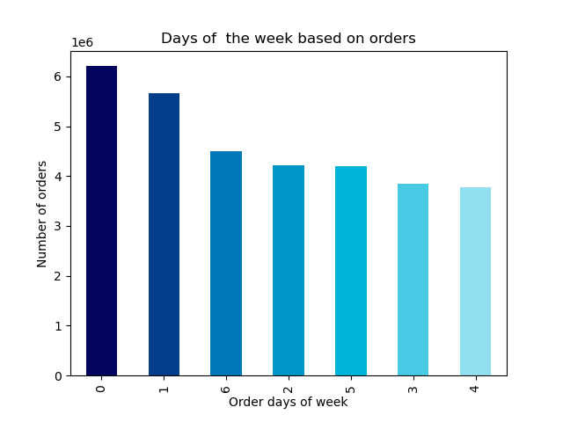


 |  |  |  | 0 - Saturday
 |  |  |  | 1 - Sunday
 |  |  |  | 2 - Monday
 |  |  |  | 3 - Tuesday
 |  |  |  | 4 - Wednesday
 |  |  |  | 5 - Thursday
 |  |  |  | 6 - Friday

 |  |  | Data shows that the busiest days of the week are Saturdays and Sundays, where in people place most orders. Tuesdays and Thursdays are the least busy days. |  |  |  | According to the histogram, maximum number of orders are placed between 9:00 am and 16:00 pm. From 16:00 pm onwards there is a decreasing trend in the ordering. Least number of orders are placed between 12:00 am and 6:00 am.

Question 2 : They also want to know whether there are particular times of the day when people spend the most money, as this might inform the type of products they advertise at these times.


Relation between times of the day and spending habits

 |  |  |  |  | Shows the average prices of products sold during the different hours of the day. the average is highest during late-night/early-morning orders. The highest peak is between 4am to 5am. This inturn contradicts with the above histogram, where more orders are placed between 9:00 am to 16:00 pm.

Question 3 : Instacart has a lot of products with different price tags. Marketing and sales want to use simpler price range groupings to help direct their efforts.

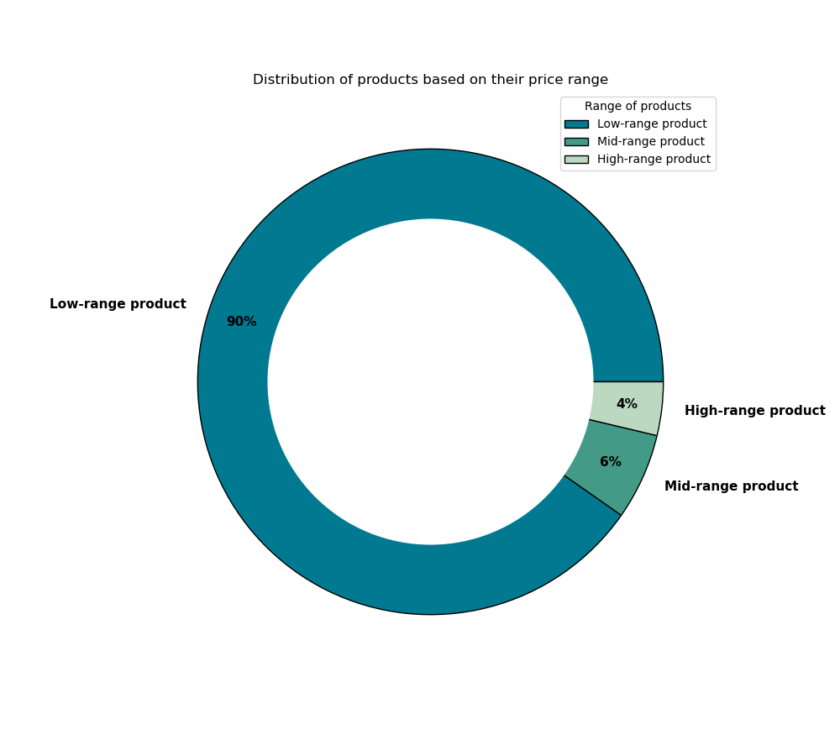

 |  |  |  |  |  |  | Based on the prices, products in Instacart are classified into 3 categories: High-range, Mid-range and Low-range products.According to the data, 90% of products in Instacart are under Low-range category, then comes Mid-range around 6%. Only 4% of products come under High-range category.

Question 4 : Are there certain types of products that are more popular than others? The marketing and sales teams want to know which departments have the highest frequency of product orders.
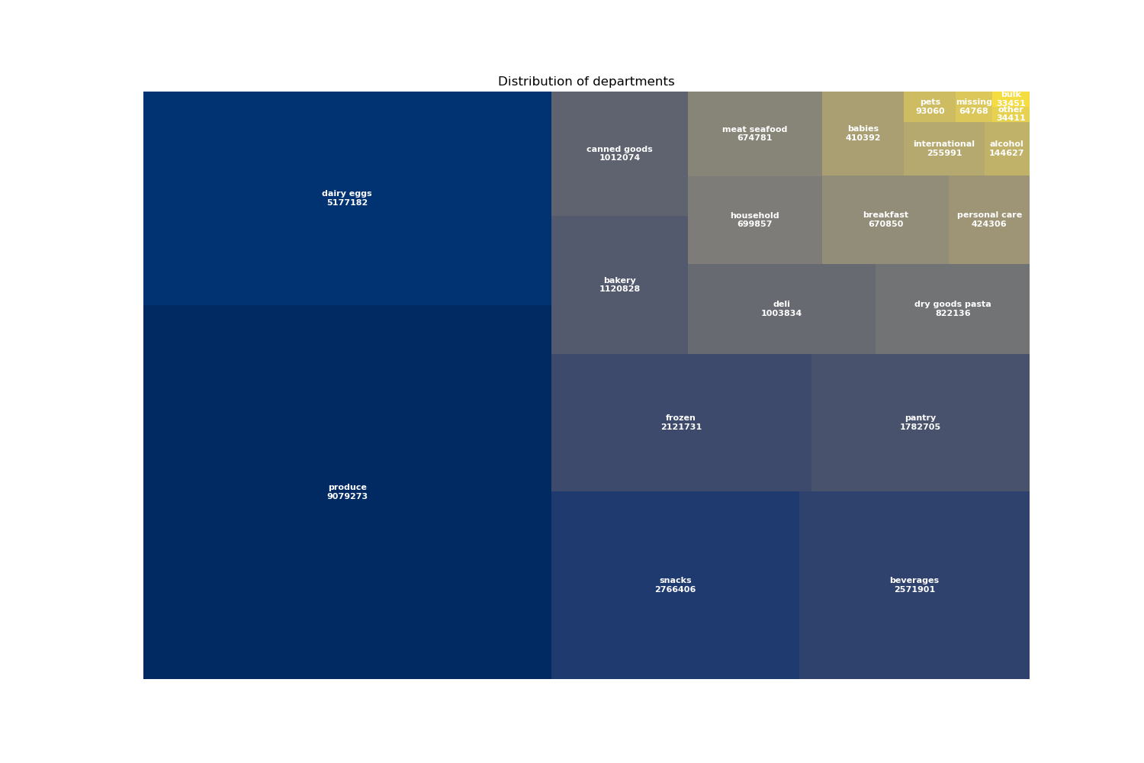

 |  |  |  |  |  |  |  | Top 5 departments which have highest frequency of product orders are: 1. produce 2. dairy_eggs 3. Snacks 4. beverages 5. frozen

Question 5 : The marketing and sales teams are particularly interested in the different types of customers in their system and how their ordering behaviors differ. For example:

5.1 : What’s the distribution among users in regards to their brand loyalty (i.e., how often do they return to Instacart)?

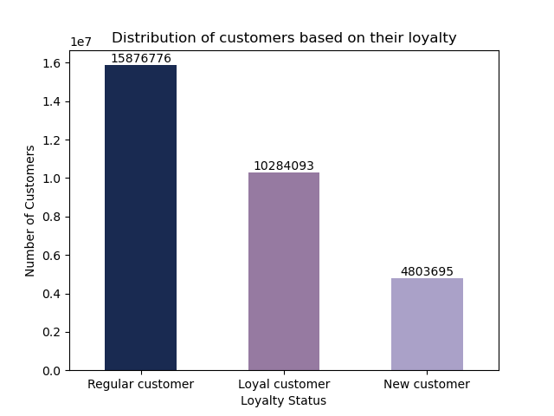

 |  |  |  |  | From the bar chart, it is clear that Instacart has more number of regular customers compared to Loyal and new customers

5. 2 : Are there differences in ordering habits based on a customer’s loyalty status?

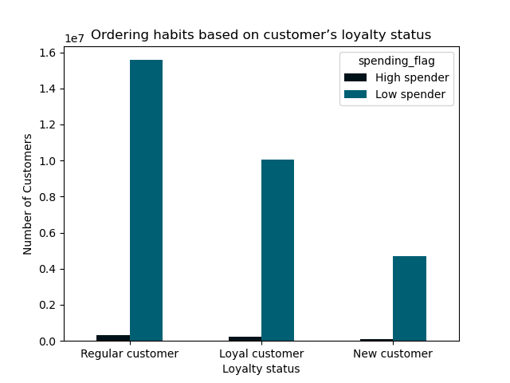

 |  |  |  |  |  | Based on the spending factor customers are classified into 2 categories i.e, High spender and Low spender. In each of the loyalty status we can see that Low spenders are more compared to High spenders. That is average price paid by many customers fall below 10$. A very customers average spend is above 10$.

5.3 : Are there differences in ordering habits based on a customer’s region?

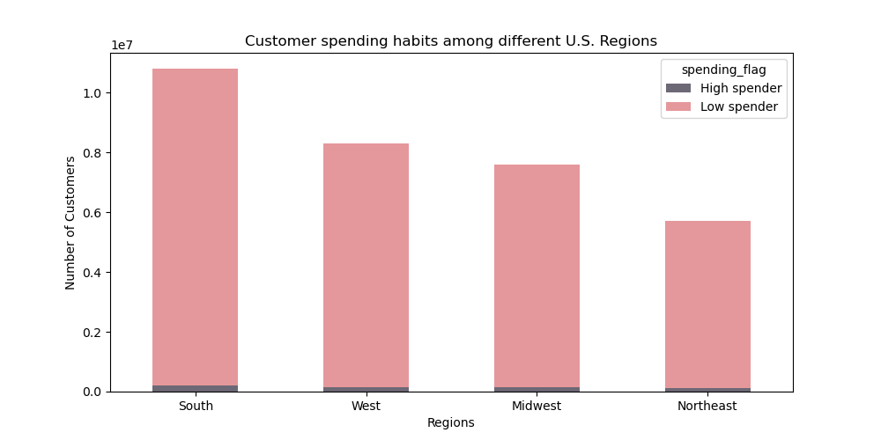

 |  |  |  |  |  | According to the data, customers in the South region spend the highest.Then follows the West and Midwest region. Least spending habits are spotted in the Northeast regions.

5.4 : Is there a connection between age and family status in terms of ordering habits?
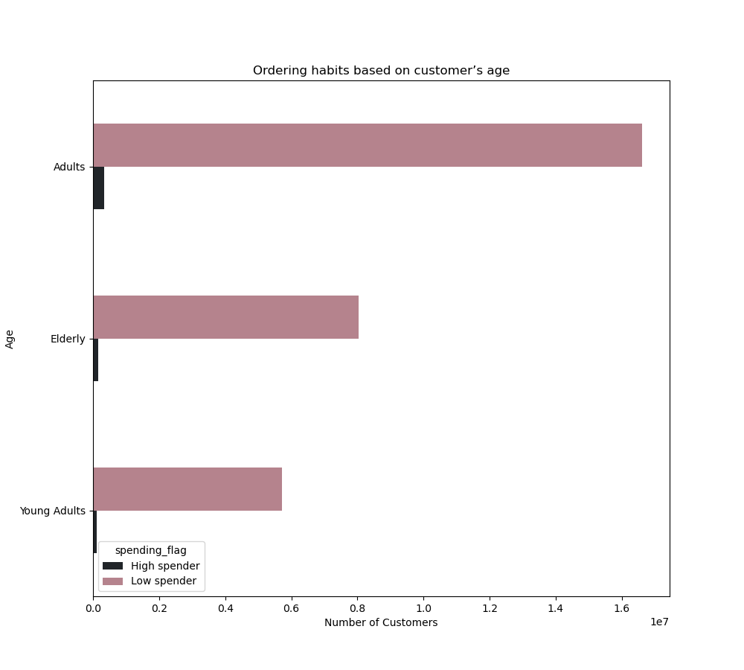
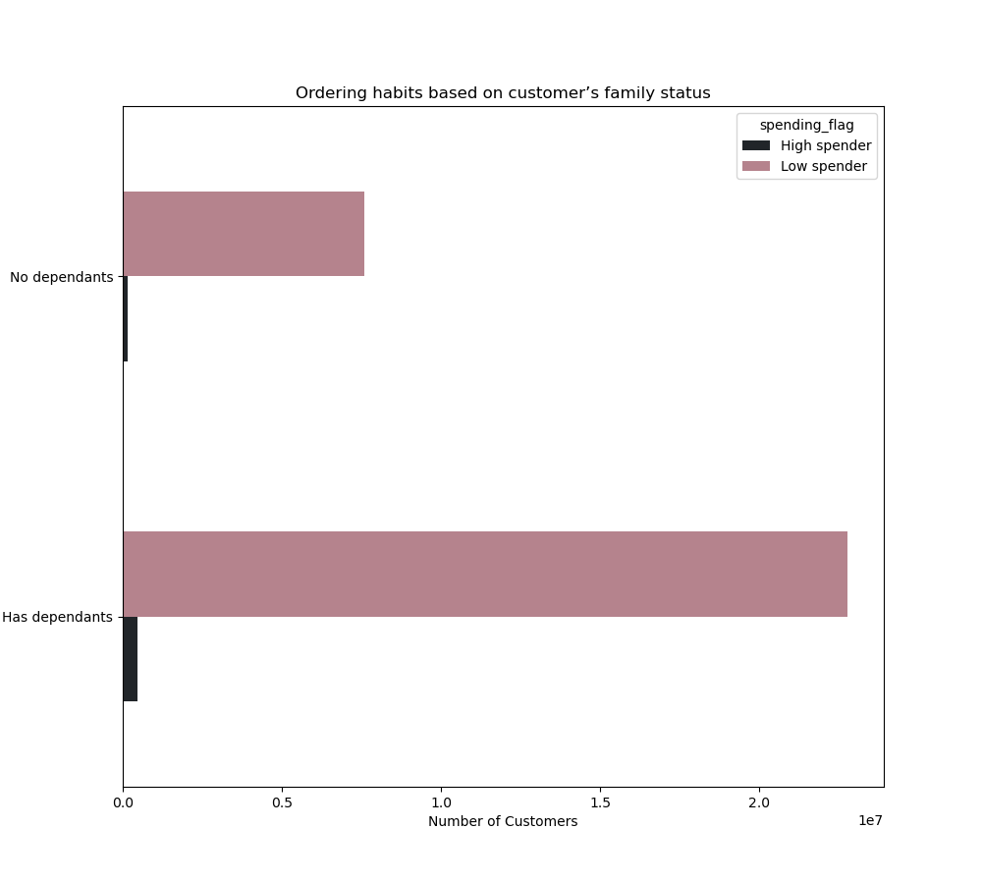

 | Adults between the age of 30 and 65 tend to order the most. Then follows the Elderly above 65 years of age. Young adults below 30 years of age order least amount of products in Instacart. |  |  |  |  |  | Customers who have dependants spends the most compared to customers who don't have dependants.

5.5 : What different classifications does the demographic information suggest? Age? Income? Certain types of goods? Family status

 | 5.5.1: Age

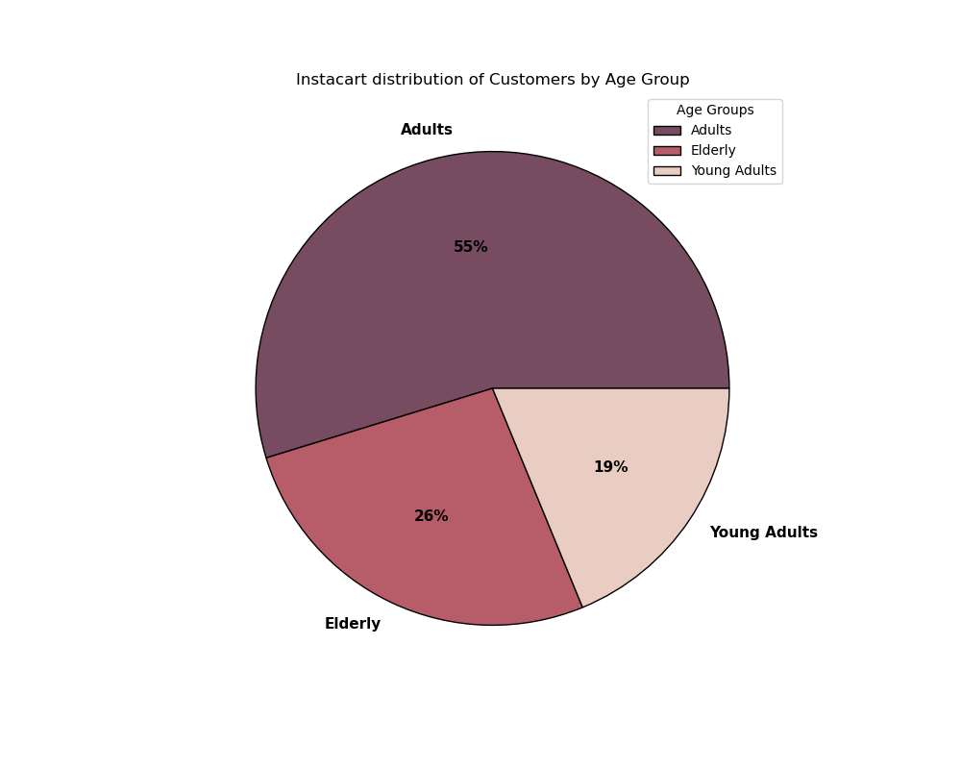

 |  |  |  |  | This pie chart illustrates the distribution of customers based on their ages. 55% of customers are Adults (between 30 and 65 years of age) 26% of customers are Elderly (above 65 years of age) 19% of customers are Young Adults (below 30 years of age)

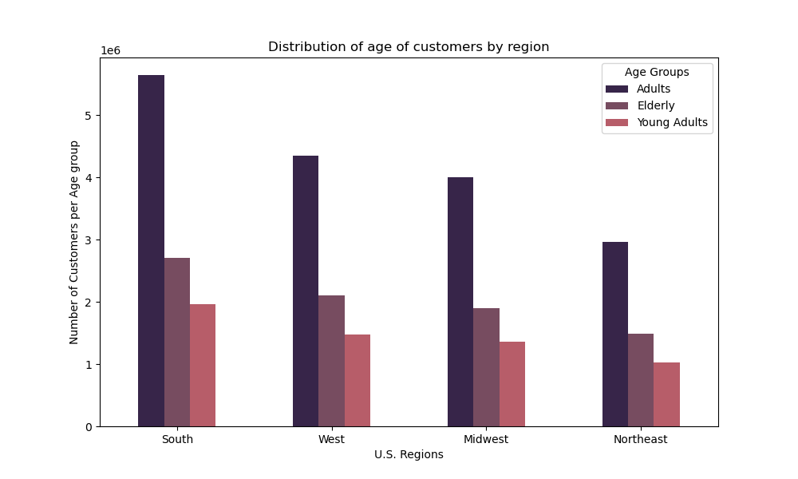

 |  |  |  |  |  | In all the 3 categories of age group, customers are more concentrated in the South region. Then follows West, Midwest and Northeast regions.

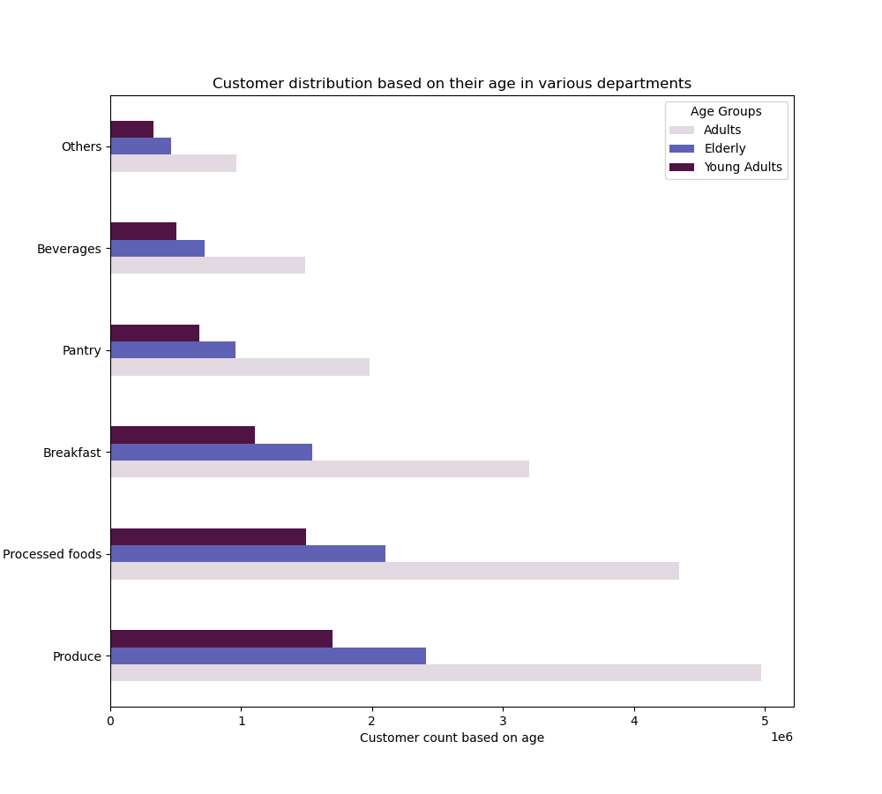

 |  |  |  |  | Adults tend to order the most starting from the department Produce to Others. Followed by Elderly and least orders are placed by young adults in all the departments.

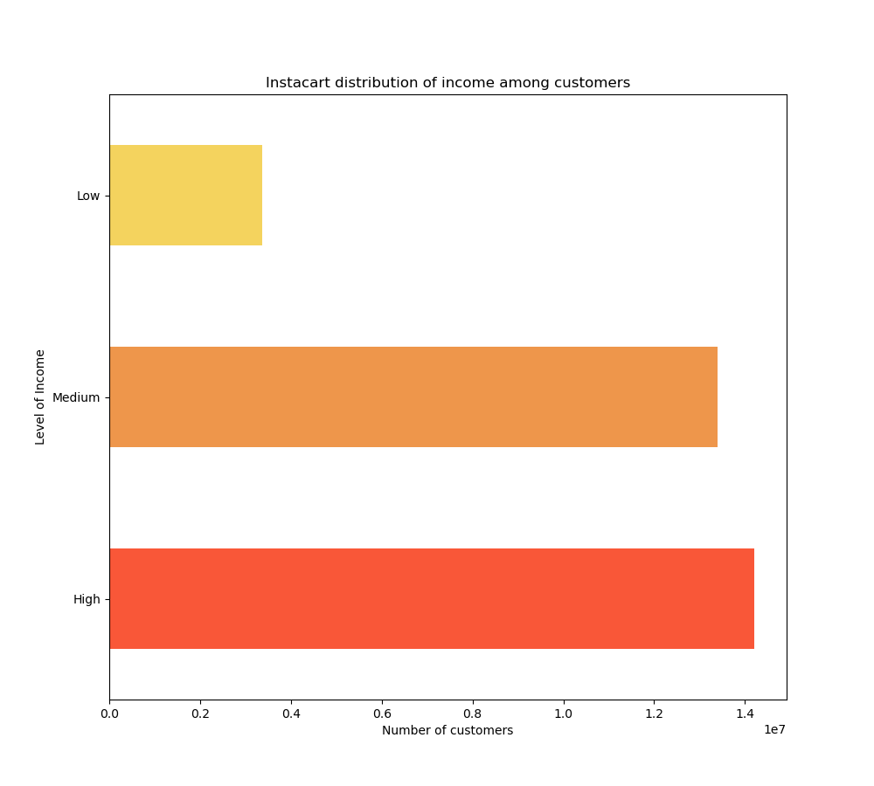
 | 5.5.1: Age | Income

 |  |  |  |  |  | Customers in Instacart are classified under 3 main categories: High, Medium and Low. According to the data, Instacart has more number of customers in the High Income category compared to Medium and Low.

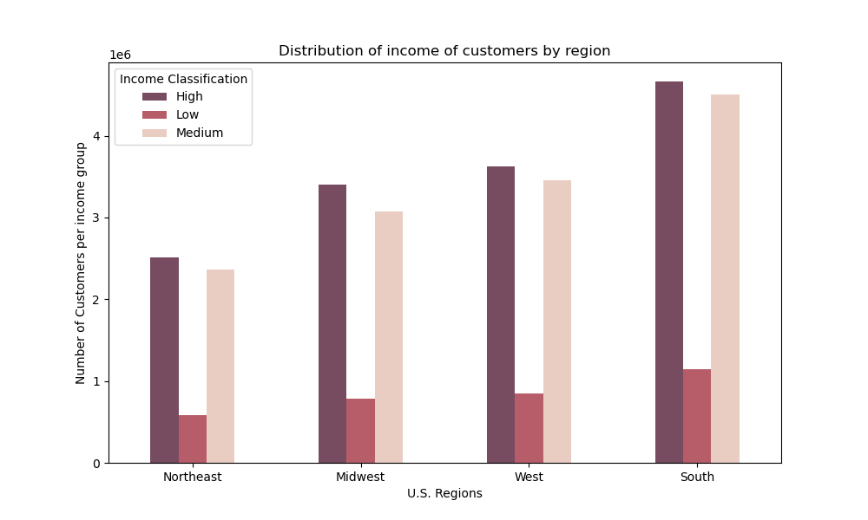

 |  |  |  |  |  | In all the 3 categories of income group, customers are more concentrated in the South region. Then follows West, Midwest and Northeast regions.

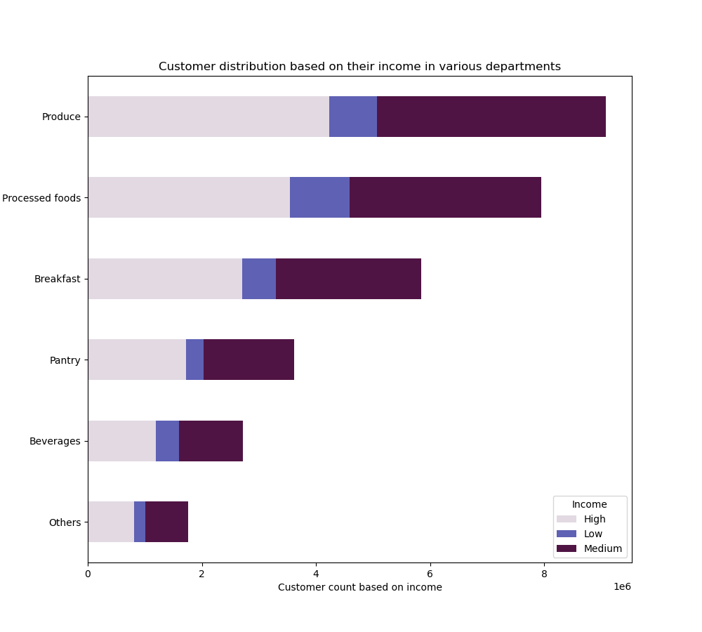

 |  |  |  |  |  | Customers with High income tend to order the most starting from the department Produce to Others. Followed by Medium and least orders are placed by customers with Low income in all the departments.

 | 5.5.1: Age | Has Dependants

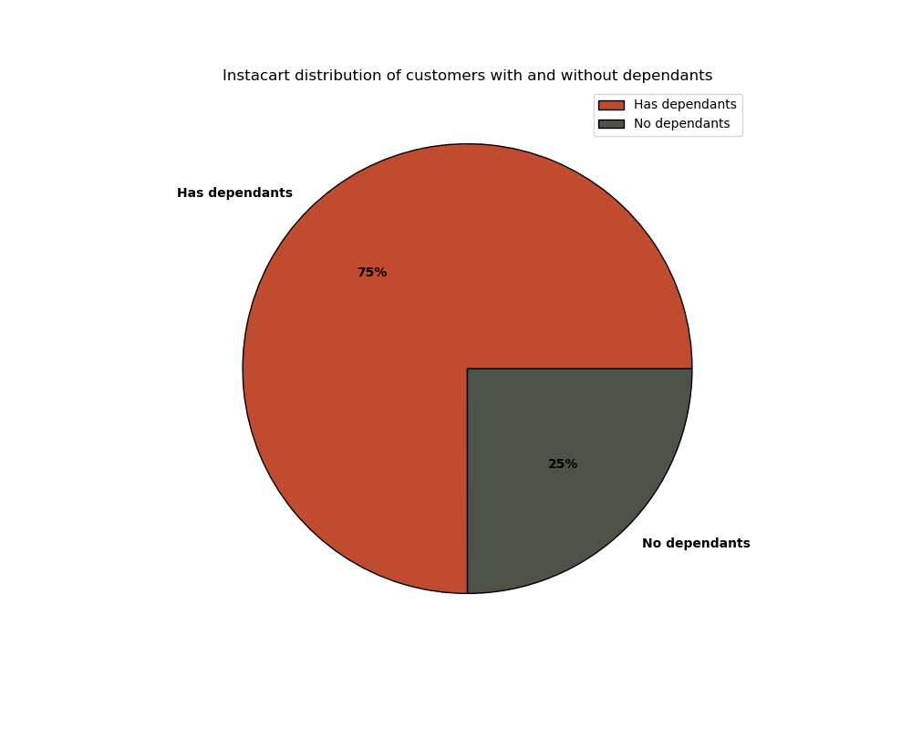

 |  |  |  |  |  | This pie chart illustrates the distribution of customers based on their dependants. 75% of customers have dependants 25% of customers have no dependants

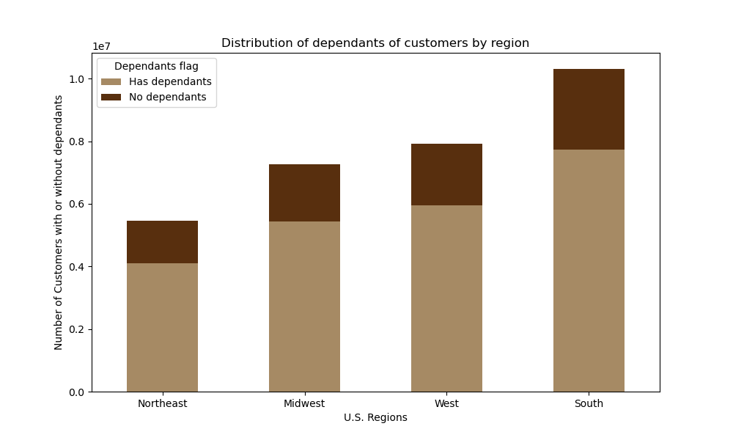

 |  |  |  |  |  | In all the 2 categories (with and without dependants), customers are more concentrated in the South region. Followed by West, Midwest and Northeast regions.

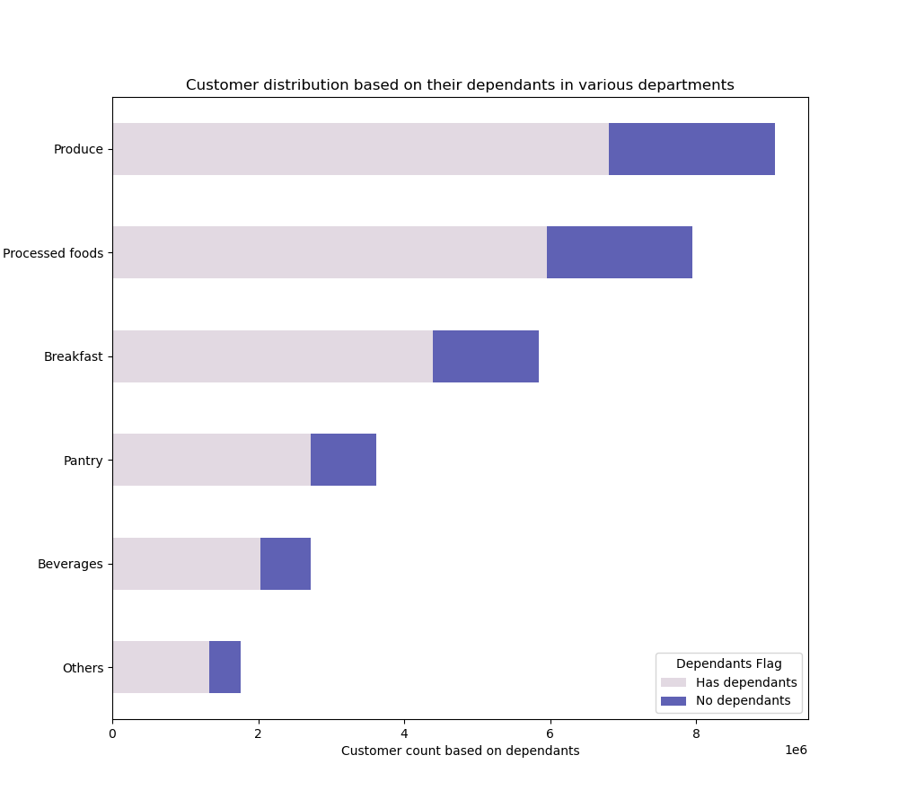

 |  |  |  |  |  | Customers having dependants tend to order the most starting from the department Produce to Others. Least orders are placed by customers having no dependants in all the departments.

5.6 : Is there a connection between age and number of dependants?

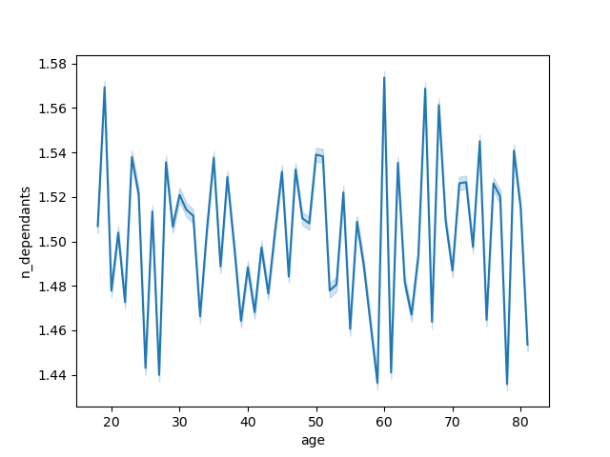
Relationship between age and number of dependants

 |  |  |  |  |  | There is no specific correlation between age and number of dependants. From the line chart it is clear that the number of dependants varies randomly as the age increases.

5.7 : Is there a connection between age and income?



 |  |  |  |  |  | According to the Scatterplot diagram, from age 20 to 80 a huge concentration of people are having income less than 200000. Among those between the age 20 and 40, a few are having the highest income around 400000. From the age of 40 onwards, some of the people have very high salaries that reaches around 600000. Is there a relationship exists beteween age and income? Yes, but it is not a steady progress. To conclude, people below the age of 40 are having lower income than people above 40 years of age.

7. Recommendations
 |  | Title page

Recommendations

In this tab you should include any recommendations you would made to Instcart in terms of their marketing strategy based on the questions posed in the brief. Every key question has been covered in the Tasks of the Exercises - here you need to add an item - a visualisation or table/crosstable that is showing the answer in the data, acompanied by a comment from you. Please, list the questions below and add the answer underneath.

Question | Answers/Conclusions
Key Question 1 : What are the busiest days of the week and hours of the day? | The busiest days of the week are Saturdays and Sundays between 9 am and 4 pm. where in people place most orders. Tuesdays and Thursdays are the least busy days.From 4 pm onwards there is a decreasing trend in the ordering. Least number of orders are placed between 12 am and 6 am. So sales team can plan to schedule ads from 4 pm onwards to 12 am and from 5 am to 9 am.
Key Question 2 : Are there particular times of the day when people spend the most money? | The average amount of money spend is highest during late-night/early-morning orders. A sudden fall of average money spend is spotted at 10 am. So the sales team can provide From 12am to 8 am - High/Mid range product advertisements From 8am to 12 pm - Low range product advertisemetns From 12pm to 12am - High/Mid range product advertisements
Key Question 3 : Instacart has a lot of products with different price tags. Marketing and sales want to use simpler price range groupings to help direct their efforts. | Based on the prices, products in Instacart are classified into 3 categories: High-range, Mid-range and Low-range products. According to the data: 90% of products are Low-range category 6% of products are Mid-range category 4% of products are High-range category.
Key Question 4 : Are there certain types of products that are more popular than others? | Top 5 departments which have highest frequency of product orders are: 1. produce 2. dairy_eggs 3. snacks 4. beverages 5. frozen Therefore, Instacart shall provide special offers/discounts on all products in the above departments for customer retainability and to maintain customer satisfaction.
Key Question 5 : What’s the distribution among users in regards to their brand loyalty (i.e., how often do they return to Instacart)? | According to the data, Instacart has more number of Regular customers compared to Loyal and New customers. Instacart shall provide discounts/rewards to retain their regular customers. Also adopt a strategy to increase the number of Loyal and New customers.
Key Question 6 : Are there differences in ordering habits based on a customer’s loyalty status? | According to the data, in each of the loyalty status we can see that Low spenders are more compared to High spenders. So Instacart shall keep an eye on all their low-range products, their availability, quality etc.
Key Question 7 : Are there differences in ordering habits based on a customer’s region? | According to the data, customers in the South region spend the highest.Then follows the West and Midwest region. Least spending habits are spotted in the Northeast regions. Instacart shall promote its products with various ads or new customer rewards in the regions which has less customer concentration.
Key Question 8 : Is there a connection between age and family status in terms of ordering habits? | Adults between the age of 30 and 65 tend to order the most. Then follows the Elderly above 65 years of age. Young adults below 30 years of age order least amount of products in Instacart.Customers who have dependants spends the most compared to customers who don't have dependants. Instacart shall include items which is suitable to yound adults to its product range, so that it can gain the number of young customers. May be the sales team can adopt Student Traiff / Elderly Tariff to particular items for customer gaining and retention. For customers with family Instacart can provide a Family card/pass so that they get a discount for every purchase the would make. This also pave ways to cusotmer satisfaction.
Key Question 9 : What differences can you find in ordering habits of different customer profiles? | Income: According to the data, Instacart has more number of customers in the High Income category compared to Medium and Low. Age: 55% of customers are Adults (between 30 and 65 years of age) 26% of customers are Elderly (above 65 years of age) 19% of customers are Young Adults (below 30 years of age) Dependants: Customers having dependants tend to order the most starting from the department Produce to Others. Least orders are placed by customers having no dependants in all the departments. Based on the above data, Instacart shall provide a strategy to retain its existing customers based on all high profiles. Also try to figure out some new methods to increase the number of customers in the weaker profiles also.

